Sheet1
PALLET 1 & 2 | QTY | PALLET 3 | QTY | PALLET 4 | QTY | PALLET 5 | QTY | PALLET 6 | QTY | PALLET 7 | QTY | PALLET 8 | QTY | PALLET 9 | QTY | PALLET 10 | QTY | PALLET 11 | QTY | PALLET 12 | QTY | PALLET 13 | QTY | PALLET 14 | QTY | PALLET 15 | QTY | PALLET 16 | QTY | PALLET 17 | QTY | PALLET 18 | QTY | PALLET 1 -18 | QTY
HP C4129X | 10+ | DELL 3130 | 10+ | DELL C1660 | 200+ | DELL C1660 | 1000+ | DELL C2660 | 400+ | HP Q5951 | 50+ | BROTHER TN6600 | 100+ | KYOCERA TK580 |  | SAMSUNG CLP-300 | 400+ | KYOCERA TK560 | 20 | HP Q6470A |  | HP C9723 | 10+ | HP C9731 | 10+ | OKI C310 | 50+ | SAMSUNG CLT-409 | 30+ | SAMSUNG CLT-506 | 70+ | DELL B2375 | 20+ | EPSON 551 | 750
Konica Minolta 4650 | 10+ | XEROX 6140 | 200+ | XEROX C6125 | 150+ | OKI 3100 | 20+ | HP Q5952A | 10+ | OKI B411 |  | HP Q6511 |  | EPSON C1700 | 250+ | DELL C1660 | 400+ | DELL C1660 | 100+ | DELL C1660 | 50+ | HP C9720 | 30+ | HP C9732 | 10+ | HP Q6470 | 40+ | SAMSUNG ML-2850 |  | HP Q6471 | 30+ | DELL S2810 | 100+ | EPSON 554 | 600
SAMSUNG CLPT-609 |  | XEROX 6125 | 200+ | DELL C2130 | 100+ | HP Q5953 |  | XEROX 6500 | 60+ | CANON E31 |  | DELL 2660 | 60+ | DELL S2825 | 100+ | TN135 | 10+ | EPSON C1700 | 100+ | DELL 1320 | 400+ | HP C9722 | 10+ | HP C9720 |  | HP Q6471 |  | HP Q3961 |  | HP 6773 |  | DELL 3760 | 80+ | EPSON 482 | 650
OKI C5850/C5950 | 10+ | DELL C1660 | 150+ | XEROX C6130 | 150+ | DELL C2660 | 20+ | Konica Minolta 4650 | 10+ | LEXMARK E250 |  | DELL 2150 | 30+ | EPSON C1600 | 10+ | HP Q3936A | 10+ | HP C4036A |  | HP C9722 |  | HP Q6473 | 10 | DELL 3760 | 10+ | HP Q7562 |  | DELL 3760 | 30+ | KYOCERA TK580 |  | HP Q5952A | 10+ | EPSON T802 | 300
OKI C3100 |  | HP Q5952 |  | XEROX C6140 | 200+ | DELL 5330 | 10+ | XEROX 6000 | 30+ | KYOCERA TK160 |  | KYOCERA TK170 | 10+ | DELL C1660 | 100+ |  |  | HP Q7551A |  | DELL C3670 | 30+ | HP Q7560 |  | DELL B2375 | 20+ | OKI C301 | 50+ | HP Q6471 | 10 | DELL 3760 | 100+ | HP CB382A |  | EPSON T009 | 30
CC364X |  | XEROX 6000 | 20+ | OKI C5840/5950 |  | Konica Minolta 4650 | 20+ |  |  | DELL 2330 |  | KYOCERA TK140 |  | DELL 2150 | 50+ |  |  | TN135 | 20+ | HP C9720A |  |  |  |  |  | HP Q6472 |  | KYOCERA TK360 | 10 |  |  | HP CB383A |  | EPSON T008 | 20
OKI-C801 |  | XEROX 6130 | 10+ | LEXMAKR C540 | 30+ |  |  |  |  | KYOCERA TK100 | 10+ | DELL 2130 | 50+ | Konica Minolta 4650 | 10+ |  |  | EPSON C2900 | 30+ | HP Q6473 |  |  |  |  |  |  |  | SAMSUNG CLT-506 | 10 |  |  |  |  | EPSON T007 | 20
LEXMARK C540 |  |  |  | XEROX 6000 | 50+ |  |  |  |  | KYOCERA TK130 | 10+ | OKI B4400 | 30+ | DELL 3100 |  |  |  | HP CE261A |  | OKI C310 | 60+ |  |  |  |  |  |  | OKI C301 |  |  |  |  |  | KODAK 10 COLOUR | 10
LEXMARK C522 |  |  |  |  |  |  |  |  |  |  |  | EPSON C2900 | 10+ | KYOCERA TK130 |  |  |  | KYOCERA TK110 |  |  |  |  |  |  |  |  |  | OKI C310 |  |  |  |  |  | HP 88 CYAN | 200
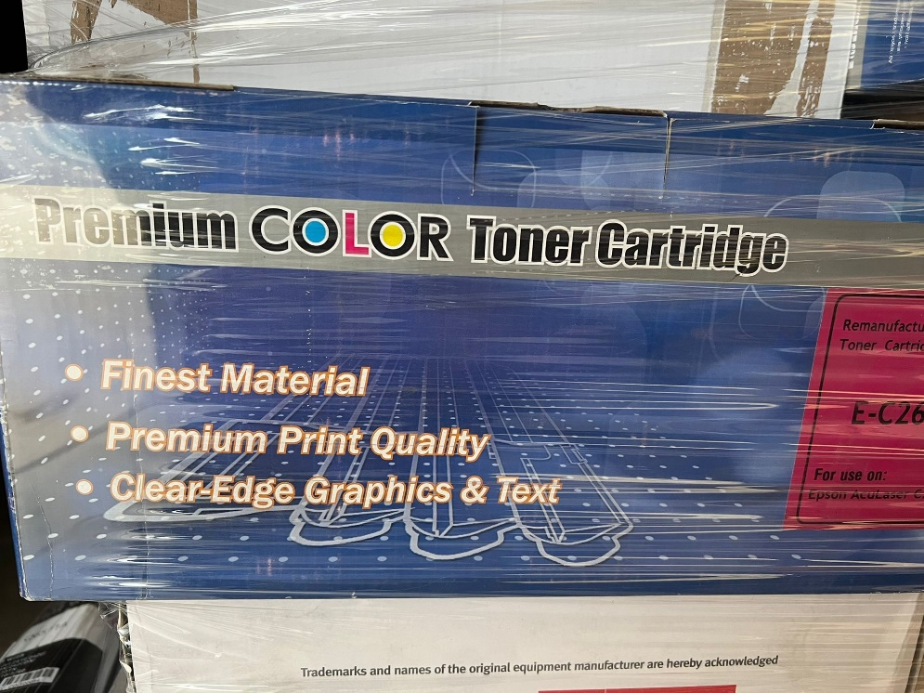
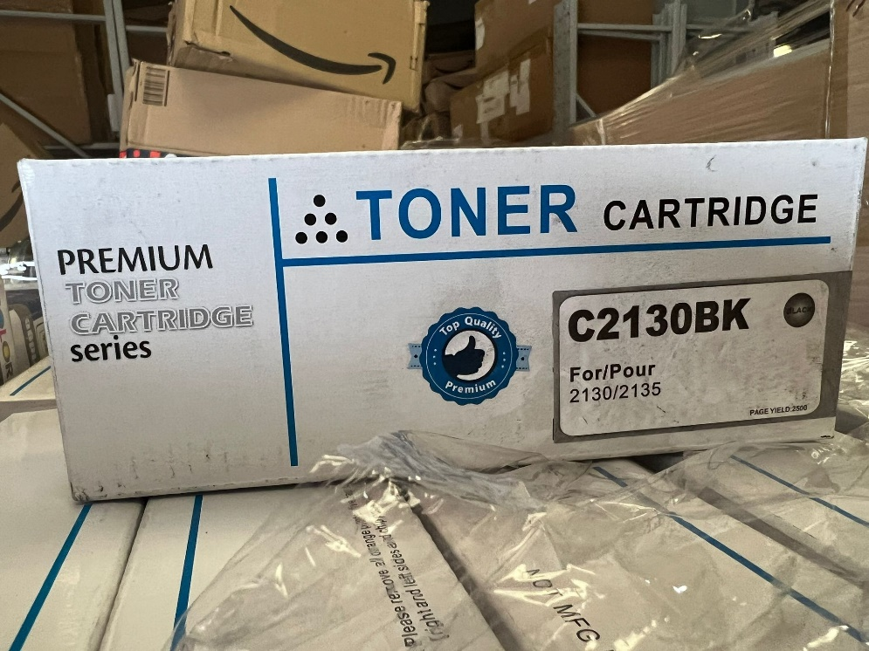
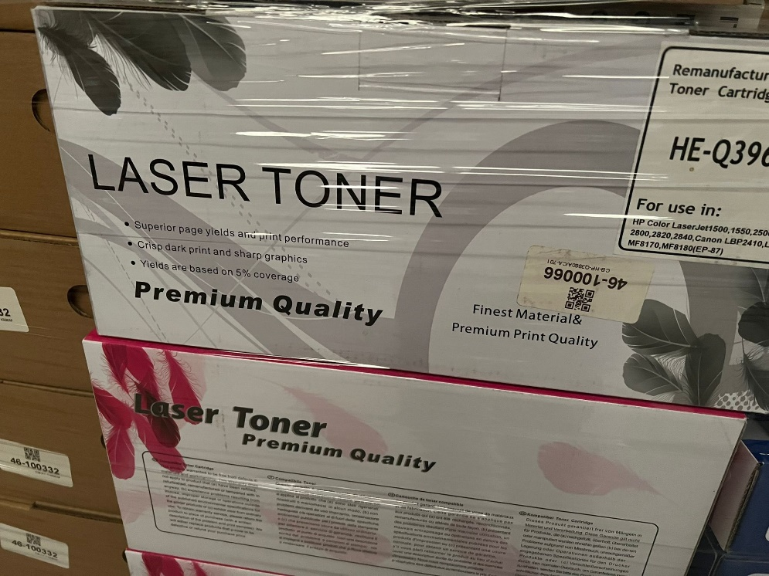
KYOCERA TK580 | 10+ |  |  |  |  |  |  |  |  |  |  |  |  | XEROX 6130 | 10+ |  |  | KYOCERA TK360 |  |  |  |  |  |  |  |  |  | HP C4129X | 10+ |  |  |  |  | HP 88 MAGENTA | 80
HP Q3960 |  |  |  |  |  |  |  |  |  |  |  |  |  | KYOCERA TK140 |  |  |  | SAMSUNG CLP300 | 50+ |  |  |  |  |  |  |  |  |  |  |  |  |  |  | HP 88 BLACK | 15
DELL C2130 | 10+ |  |  |  |  |  |  |  |  |  |  |  |  |  |  |  |  | HP C9720A |  |  |  |  |  |  |  |  |  |  |  |  |  |  |  | CANON 21/24 | 15
DELL S2825 | 10+ |  |  |  |  |  |  |  |  |  |  |  |  |  |  |  |  |  |  |  |  |  |  |  |  |  |  |  |  |  |  |  |  | EPSON 40/41 | 15
DELL 1700 | 20+ |  |  |  |  |  |  |  |  |  |  |  |  |  |  |  |  |  |  |  |  |  |  |  |  |  |  |  |  |  |  |  |  | EPSON T027 | 10
EPSON M2300 | 10+ |  |  |  |  |  |  |  |  |  |  |  |  |  |  |  |  |  |  |  |  |  |  |  |  |  |  |  |  |  |  |  |  | EPSON 486 | 800
OKI C3400 |  |  |  |  |  |  |  |  |  |  |  |  |  |  |  |  |  |  |  |  |  |  |  |  |  |  |  |  |  |  |  |  |  | LEXMARK 78 | 120
OKI C3520 | 20+ |  |  |  |  |  |  |  |  |  |  |  |  |  |  |  |  |  |  |  |  |  |  |  |  |  |  |  |  |  |  |  |  | LEXMARK 14 | 200
EPSON C1100 | 10+ |  |  |  |  |  |  |  |  |  |  |  |  |  |  |  |  |  |  |  |  |  |  |  |  |  |  |  |  |  |  |  |  | LEXMARK 43 | 190
BROTHER TN135 | 10+ |  |  |  |  |  |  |  |  |  |  |  |  |  |  |  |  |  |  |  |  |  |  |  |  |  |  |  |  |  |  |  |  |  | 4025
EPSON EPL6200
KYOCERA TK590 | 30+
XEROX 7400
EPSON M1400
OKI C5800 | 10+
EPSON C1600 | 20+
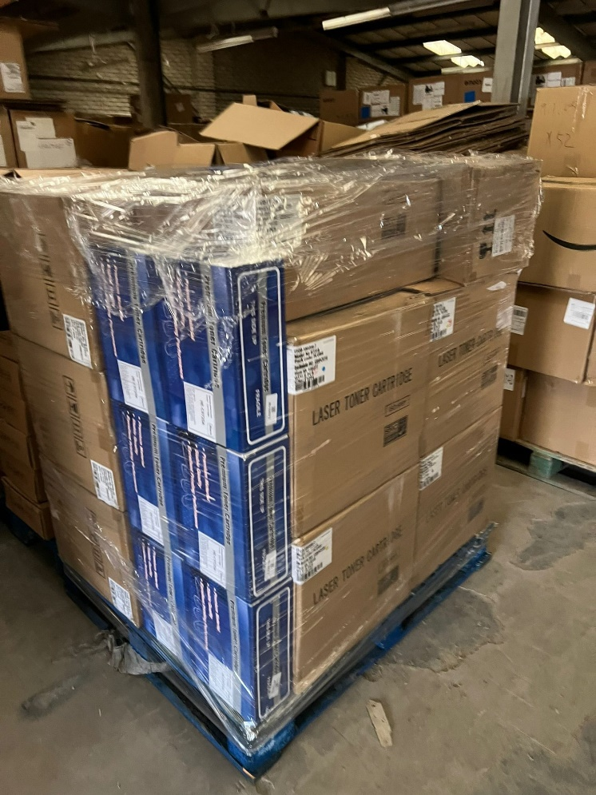
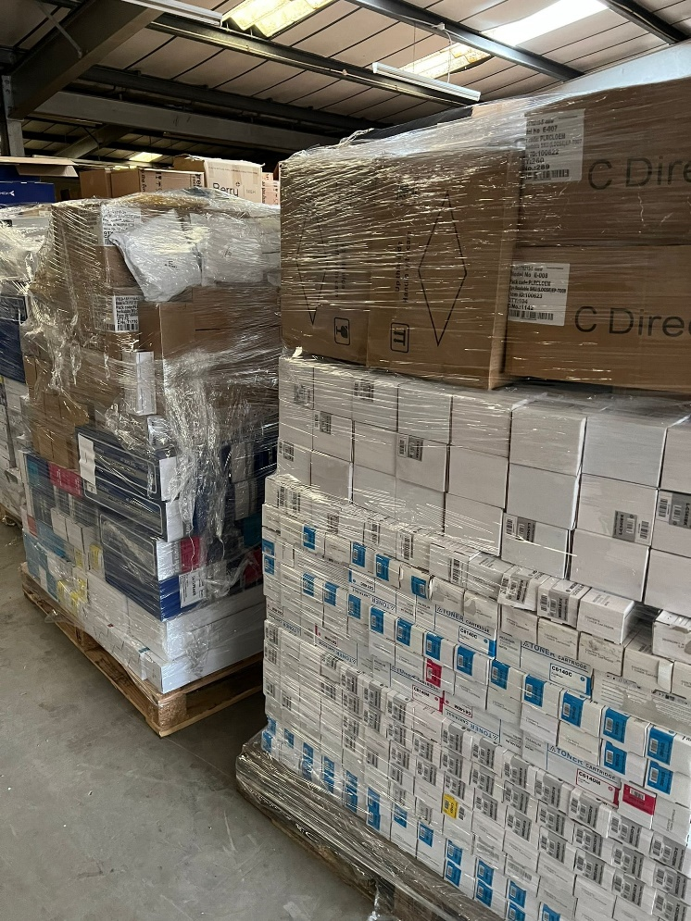
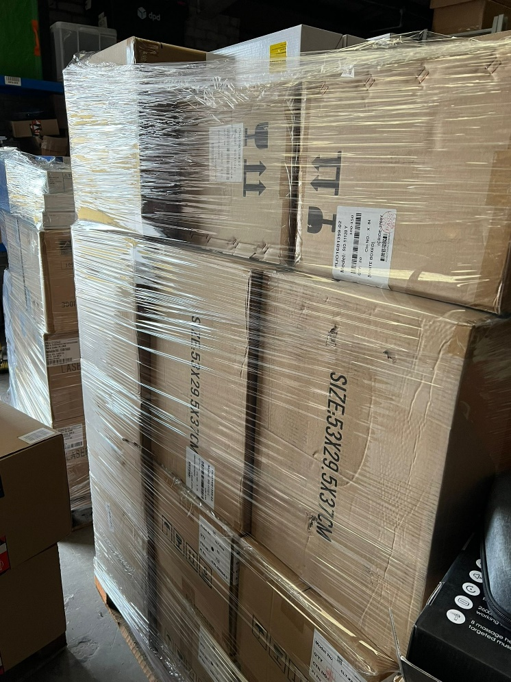
Konica Minolta 3730
EPSON C2900 | 10+
OKI C9600
OKI C3300
EPSON C3900
SAMSUNG CLP-660
KYOCERA TK540 | 30+
***FOR MODELS THAT DOES NOT HAVE QTY, MEANS QTY ARE BETWEEN 1-10***

